Foglio1
 |  | Scrub Deck 28" |  |  |  | SN from 03F000

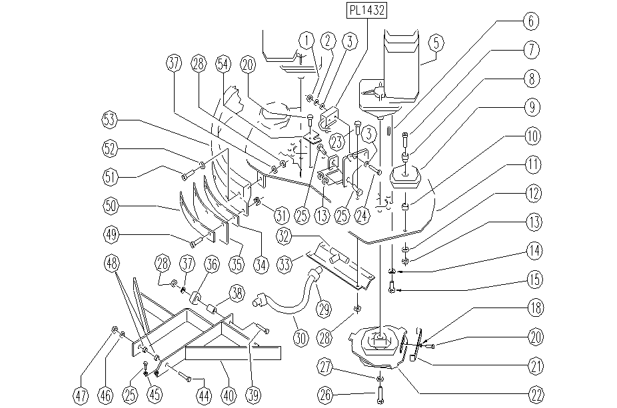

ITEM | SKU | DESCRIPTION | QTY | ITEM | SKU | DESCRIPTION | QTY
1 | E89248 | Nut | 2 | 29 | E86546 | clamp | 2
2 | E89250 | Washer | 2 | 30 | E89526 | solution hose FS28/32 | 1
3 | E89118 | Washer | 4 | 31 | E86389 | flap nut FS28/32 (>03B) | 6
5 | E89093 | Motor FM28 | 2 | 32 | SL18243 | UNION / CONNECTOR | 1
6 | E89174 | Tongue keyway | 2 | 33 | SL39111 | DISTRIBUTOR | 1
7 | E86360 | Screw for WS24 | 2 | 34 | E86368 | flap spacer FS28/32 | 2
8 | E87862 | Spacer WS20/24 | 2 | 35 | E89504 | Flap | 2
9 | E86451 | AS20 Wheel | 2 | 36 | E89520 | Small wheel FS28/32 | 1
10 | E89443 | Spacer | 2 | 37 | E86427 | Washer | 6
11 | SL39080 | HEAD | 1 | 38 | E89521 | Spacer FS28/32 | 1
12 | E86879 | Washer | 2 | 39 | E86499 | Hex Bolt M6x55 SS | 1
13 | E86853 | Nut, M8 Zinc | 4 | 40 | SL39123 | BRACKET | 1
14 | E87921 | Washer | 14 | 44 | SL04389 | SCREW | 1
15 | SL04180 | SCREW | 14 | 45 | E86876 | Nut | 1
18 | E89250 | Washer | 2 | 46 | E86490 | AS20 Washer | 1
20 | E86336 | Screw | 3 | 47 | E86489 | Nut, M12 | 1
21 | E86571 | pad spring | 2 | 48 | E89184 | Spacer | 2
22 | E86586 | flange FS28/32 | 2 | 49 | E87877 | Screw FS28/32 | 6
23 | SL04278 | SCREW | 4 | 50 | E87889 | flap FS28/32 | 2
24 | E89249 | Screw | 2 | 51 | E87853 | Screw FS28 | 5
25 | SL04145 | SCREW | 3 | 52 | E86758 | Washer | 5
26 | E86587 | screw FS28/32 | 3 | 53 | E89493 | Skirt/Gasket FS28 | 1
27 | E86588 | washer FS28/32 | 2 | 54 | SL39138 | PLAQUE | 1
28 | E86875 | Self-Locking Nut | 10

